Nano Pin Setup
Pin | Functionality | Connected To | Device | Pin Number | Color from Arduino | Color on truck | Channel
2 |  |  | Light |  |  |  | Brake
3 | PWM | NFR
4 |  | NFR
5 | PWM |  | Light |  |  |  | Right turn
6 | PWM | Servo Front
7 |  | Servo Rear
8 |  |  | Light |  |  |  | Left turn
9 | PWM |  | Light |  |  |  | Reverse
10 | PWM |  | Light |  |  |  | Headlight 1
11 | PWM / MISO | NFR
12 | MOSI | NFR
13 | SCK | NFR
A0 |  |  | Light |  |  |  | Headlight 2
A1 |  |  | Light |  |  |  | Low fog
A2 |  |  | Light |  |  |  | High fog
A3 |  |  | Light |  |  |  | Rear fog
A4 |  |  | Light |  |  |  | Emergency
A5 |  |  | Light |  |  |  | Emergency trailer
A6 |  |  | Light |  |  |  | Extra lights
A7

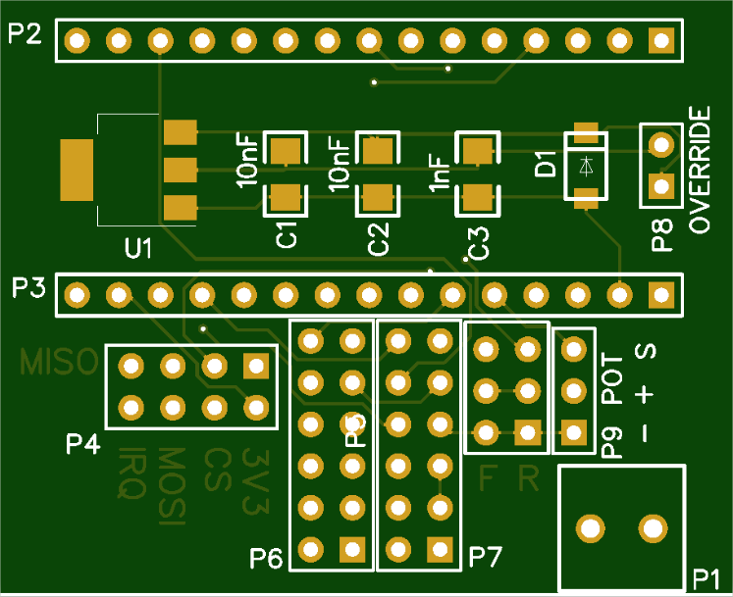
Head 2 A0
Head 1 D10
Reverse D9
Left indi D8
Righ indi D5
Brake D2
Extra 1 A6
Emer trail A5
Emer A4
Rear fog A3
High fog A2
Low fog A1
SIG
+
GND

 | Light unit
 | P1 | GND
 | P2 | Rear
 | P3 | Indicator
 | P4 | Brake
 | P5 | Reverse
 | P6 | Fog

